figure 107
figure 107 from MOP report summarizes the data
The table below is from the excel file that generated the results for transportation sector, this file has more detailed informations about the modelling than the report.

Energy Consumption
RAIL - FREIGHT |  | AIRCRAFT - PASSENGER |  | AIRCRAFT - FREIGHT |  | SHIPS -PASSENGER |  | SHIPS - FREIGHT
thousand Liters |  | thousands m3 |  | thousands liters |  | m3 |  | m3
year | total | year | total | year | total | year | total | year | total
2015 | 1,361,278 | 2015 | 7,645 | 2015 | 429,905 | 2015 | 145,286 | 2015 | 1,892,444
 |  |  |  |  | 429.90519403
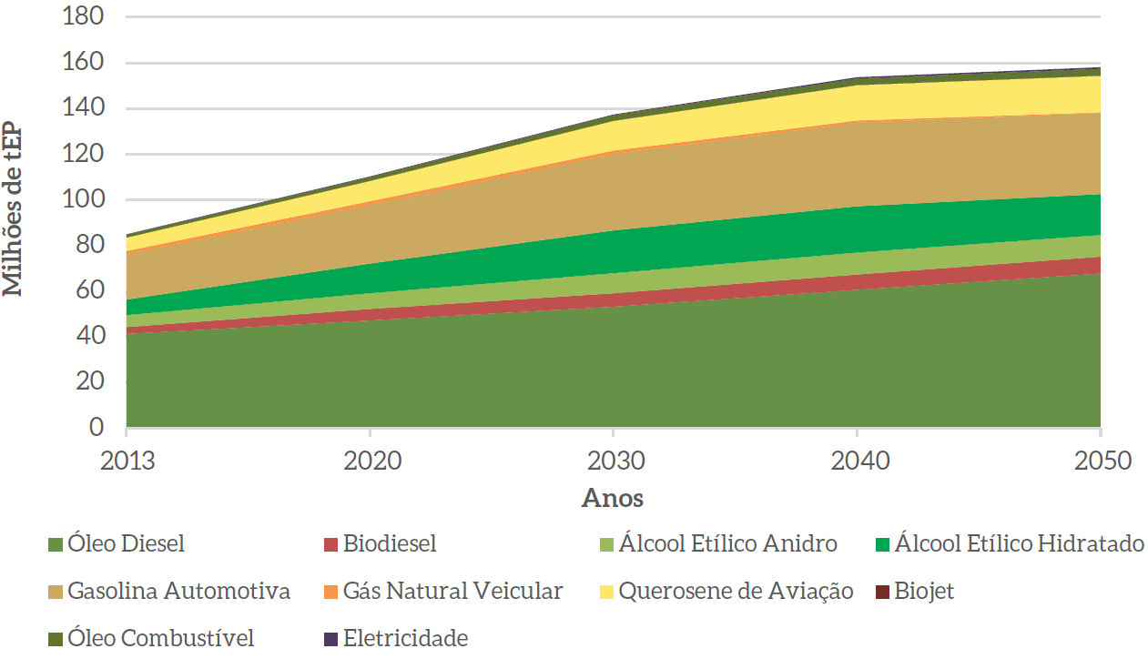
page 245
Figure 107 - Energy Consumption in the Transport Sector by Fuel
 |  |  |  |  | 1400 | million tons cargo

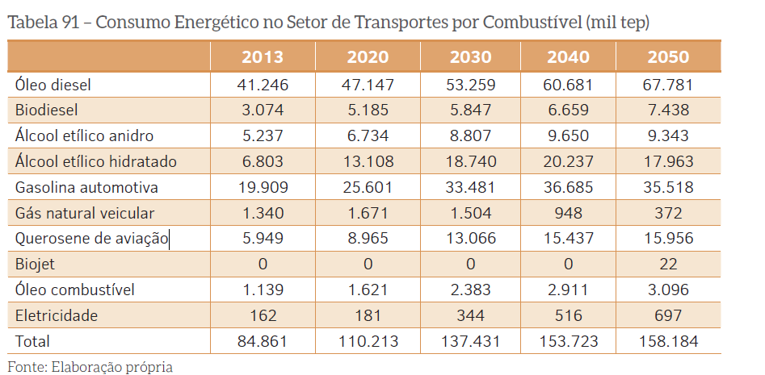

translation
Diesel Oil | Biodiesel | Biodiesel Ethyl Alcohol | Ethyl Alcohol Hydrate
Automotive Gasoline | Automotive Gasoline Vehicle Natural | Gas Aviation Kerosene | Biojet
oil fuel | Electricity

ANPtrilhos
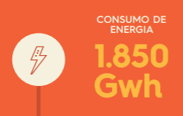
Energy consumption | GWh
1850

figure 4
Transport Engineering Program - COPPE.
Comparative bus consumption
2015
http://www.rioonibus.com/wp-content/uploads/2018/08/5-Estudo-consumo-diesel.pdf

page 8
Figure 4: average energy efficiency of the bus
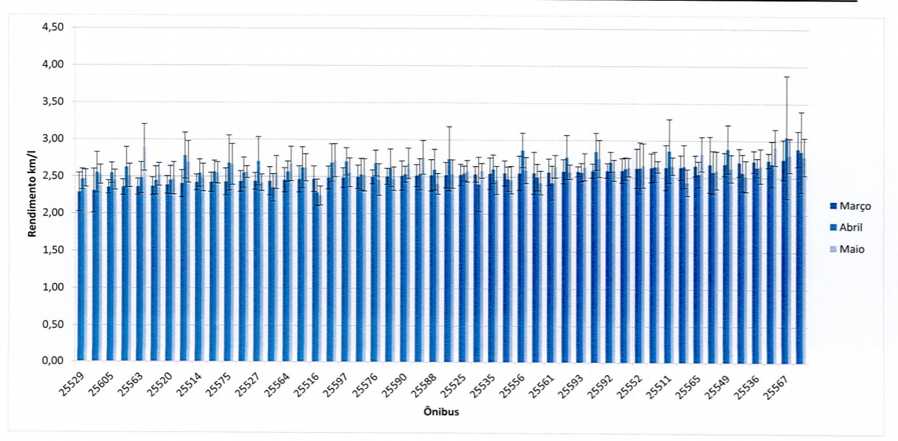

 | Average Fuel economy | 3 | km / liter

relevant tables
